Number of Individual Cases By R
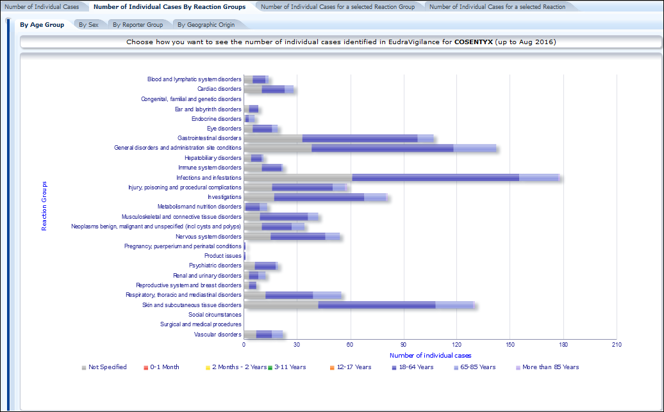
Reaction Groups | Deaths
General disorders and administration site conditions | 17
Cardiac disorders | 3
Gastrointestinal disorders | 2
Hepatobiliary disorders | 2
Infections and infestations | 2
Nervous system disorders | 2
Psychiatric disorders | 2
Respiratory, thoracic and mediastinal disorders | 2
Injury, poisoning and procedural complications | 1
Metabolism and nutrition disorders | 1
Neoplasms benign, malignant and unspecified | 1
Skin and subcutaneous tissue disorders | 1
Blood and lymphatic system disorders | 0
Congenital, familial and genetic disorders | 0
Ear and labyrinth disorders | 0
Endocrine disorders | 0
Eye disorders | 0
Immune system disorders | 0
Investigations | 0
Musculoskeletal and connective tissue disorders | 0
Pregnancy, puerperium and perinatal conditions | 0
Product issues | 0
Renal and urinary disorders | 0
Reproductive system and breast disorders | 0
Social circumstances | 0
Surgical and medical procedures | 0
Vascular disorders | 0

Total | 36
Number of individual cases | 520
% Death | 6.92%

Authorized in EU by EMA since | 2015-01-15
Number of months in EudraVigilance (to 08/2016) ** | 19.52
Mean number of deaths by month in EudraVigilance | 1.8
Mean number of serious ADR by month in EudraVigilance | 26.6

(**) EudraVigilance was launched in December 2001

Number of Individual Cases
The number of individual cases identified in EudraVigilance for
COSENTYX is 520 (up to Aug 2016)

Number of individual cases by Age Group

Age Group | Cases | % | 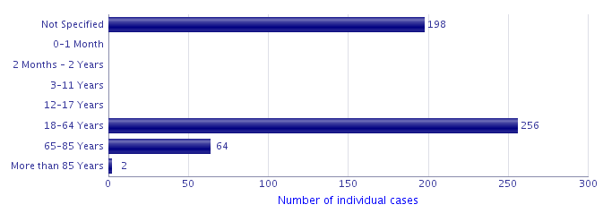
Not Specified | 198 | 38.1%
0-1 Month | 0
2 Months - 2 Years | 0
3-11 Years | 0
12-17 Years | 0
18-64 Years | 256 | 49.2%
65-85 Years | 64 | 12.3%
More than 85 Years | 2 | 0.4%
Total | 520 | 100.0%

Number of individual cases by Sex

Sex | Cases | %
Female | 230 | 44.2%
Male | 246 | 47.3%
Not Specified | 44 | 8.5%
Total | 520 | 100.0%

Number of individual cases by Geographic Origin (EEA/Non-EEA)

Occurrence Country EEA/Non EEA | Cases | %
European Economic Area | 133 | 25.6%
Non European Economic Area | 387 | 74.4%
Not Specified | 0
Total | 520 | 100.0%

For the interpretation of the results, please refer to the key considerations at www.adrreports.eu

Number of Individual Cases for
Choose a Reaction Group to see the number of individual cases identified in EudraVigilance for
COSENTYX (up to Aug 2016)

Reaction Groups | Number of individual cases by Age Group & Sex, Reporter Group and Geographic Origin

 | 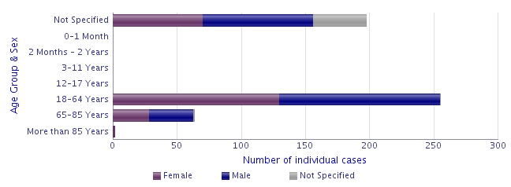

None

None

For the interpretation of the results, please refer to the key considerations at www.adrreports.eu

Blood and lymphatic syst
Choose a Reaction Group and then a Reported Suspected Reaction to see the number of individual cases identified in EudraVigilance for
COSENTYX (up to Aug 2016)

Reaction Groups & Reported Suspected Reaction | Number of individual cases by Age Group & Sex, Reporter Group and Outcome

Reaction Groups
Blood and lymphatic system disorders
Reported Suspected Reaction
Retour au tableau
None

For the interpretation of the results, please refer to the key considerations at www.adrreports.eu

Cardiac disorders
Choose a Reaction Group and then a Reported Suspected Reaction to see the number of individual cases identified in EudraVigilance for
COSENTYX (up to Aug 2016)

Reaction Groups & Reported Suspected Reaction | Number of individual cases by Age Group & Sex, Reporter Group and Outcome

Reaction Groups
Cardiac disorders
Reported Suspected Reaction
Retour au tableau
None

For the interpretation of the results, please refer to the key considerations at www.adrreports.eu

Congenital, familial and gen
Retour au tableau

Ear and labyrinth disorders
Choose a Reaction Group and then a Reported Suspected Reaction to see the number of individual cases identified in EudraVigilance for
COSENTYX (up to Aug 2016)

Reaction Groups & Reported Suspected Reaction | Number of individual cases by Age Group & Sex, Reporter Group and Outcome

Reaction Groups
Ear and labyrinth disorders
Reported Suspected Reaction
Retour au tableau
None

For the interpretation of the results, please refer to the key considerations at www.adrreports.eu

General disorders
Choose a Reaction Group and then a Reported Suspected Reaction to see the number of individual cases identified in EudraVigilance for
COSENTYX (up to Aug 2016)

Reaction Groups & Reported Suspected Reaction | Number of individual cases by Age Group & Sex, Reporter Group and Outcome

Reaction Groups
General disorders and administration site conditions
Reported Suspected Reaction
Retour au tableau
None

For the interpretation of the results, please refer to the key considerations at www.adrreports.eu

Infections and infestations
Choose a Reaction Group and then a Reported Suspected Reaction to see the number of individual cases identified in EudraVigilance for
COSENTYX (up to Aug 2016)

Reaction Groups & Reported Suspected Reaction | Number of individual cases by Age Group & Sex, Reporter Group and Outcome

Reaction Groups
Infections and infestations
Reported Suspected Reaction
Retour au tableau
None

For the interpretation of the results, please refer to the key considerations at www.adrreports.eu

Neoplasms benign, malignant
Choose a Reaction Group and then a Reported Suspected Reaction to see the number of individual cases identified in EudraVigilance for
COSENTYX (up to Aug 2016)

Reaction Groups & Reported Suspected Reaction | Number of individual cases by Age Group & Sex, Reporter Group and Outcome

Reaction Groups
Neoplasms benign, malignant and unspecified (incl cysts and polyps)
Reported Suspected Reaction
Retour au tableau
None

For the interpretation of the results, please refer to the key considerations at www.adrreports.eu

Vascular disorders
Choose a Reaction Group and then a Reported Suspected Reaction to see the number of individual cases identified in EudraVigilance for
COSENTYX (up to Aug 2016)

Reaction Groups & Reported Suspected Reaction | Number of individual cases by Age Group & Sex, Reporter Group and Outcome

Reaction Groups
Vascular disorders
Reported Suspected Reaction
Retour au tableau
None

For the interpretation of the results, please refer to the key considerations at www.adrreports.eu

Respiratory, thoracic and media
Choose a Reaction Group and then a Reported Suspected Reaction to see the number of individual cases identified in EudraVigilance for
COSENTYX (up to Aug 2016)

Reaction Groups & Reported Suspected Reaction | Number of individual cases by Age Group & Sex, Reporter Group and Outcome

Reaction Groups
Respiratory, thoracic and mediastinal disorders
Reported Suspected Reaction
Retour au tableau
None

For the interpretation of the results, please refer to the key considerations at www.adrreports.eu

Psychiatric disorders
Choose a Reaction Group and then a Reported Suspected Reaction to see the number of individual cases identified in EudraVigilance for
COSENTYX (up to Aug 2016)

Reaction Groups & Reported Suspected Reaction | Number of individual cases by Age Group & Sex, Reporter Group and Outcome

Reaction Groups
Psychiatric disorders
Reported Suspected Reaction
Retour au tableau
None

For the interpretation of the results, please refer to the key considerations at www.adrreports.eu

Gastrointestinal disorders
Choose a Reaction Group and then a Reported Suspected Reaction to see the number of individual cases identified in EudraVigilance for
COSENTYX (up to Aug 2016)

Reaction Groups & Reported Suspected Reaction | Number of individual cases by Age Group & Sex, Reporter Group and Outcome

Reaction Groups
Gastrointestinal disorders
Reported Suspected Reaction
Retour au tableau
None

For the interpretation of the results, please refer to the key considerations at www.adrreports.eu

Endocrine disorders
Choose a Reaction Group and then a Reported Suspected Reaction to see the number of individual cases identified in EudraVigilance for
COSENTYX (up to Aug 2016)

Reaction Groups & Reported Suspected Reaction | Number of individual cases by Age Group & Sex, Reporter Group and Outcome

Reaction Groups
Endocrine disorders
Reported Suspected Reaction
Retour au tableau
None

For the interpretation of the results, please refer to the key considerations at www.adrreports.eu

Eye disorders
Choose a Reaction Group and then a Reported Suspected Reaction to see the number of individual cases identified in EudraVigilance for
COSENTYX (up to Aug 2016)

Reaction Groups & Reported Suspected Reaction | Number of individual cases by Age Group & Sex, Reporter Group and Outcome

Reaction Groups
Eye disorders
Reported Suspected Reaction
Retour au tableau
None

For the interpretation of the results, please refer to the key considerations at www.adrreports.eu

Hepatobiliary disorders
Choose a Reaction Group and then a Reported Suspected Reaction to see the number of individual cases identified in EudraVigilance for
COSENTYX (up to Aug 2016)

Reaction Groups & Reported Suspected Reaction | Number of individual cases by Age Group & Sex, Reporter Group and Outcome

Reaction Groups
Hepatobiliary disorders
Reported Suspected Reaction
Retour au tableau
None

For the interpretation of the results, please refer to the key considerations at www.adrreports.eu

Immune system disorders
Choose a Reaction Group and then a Reported Suspected Reaction to see the number of individual cases identified in EudraVigilance for
COSENTYX (up to Aug 2016)

Reaction Groups & Reported Suspected Reaction | Number of individual cases by Age Group & Sex, Reporter Group and Outcome

Reaction Groups
Immune system disorders
Reported Suspected Reaction
Retour au tableau
None

For the interpretation of the results, please refer to the key considerations at www.adrreports.eu

Injury, poisoning and proc
Choose a Reaction Group and then a Reported Suspected Reaction to see the number of individual cases identified in EudraVigilance for
COSENTYX (up to Aug 2016)

Reaction Groups & Reported Suspected Reaction | Number of individual cases by Age Group & Sex, Reporter Group and Outcome

Reaction Groups
Injury, poisoning and procedural complications
Reported Suspected Reaction
Retour au tableau
None

For the interpretation of the results, please refer to the key considerations at www.adrreports.eu

Investigations
Choose a Reaction Group and then a Reported Suspected Reaction to see the number of individual cases identified in EudraVigilance for
COSENTYX (up to Aug 2016)

Reaction Groups & Reported Suspected Reaction | Number of individual cases by Age Group & Sex, Reporter Group and Outcome

Reaction Groups
Investigations
Reported Suspected Reaction
Retour au tableau
None

For the interpretation of the results, please refer to the key considerations at www.adrreports.eu

Metabolism and nutrition
Choose a Reaction Group and then a Reported Suspected Reaction to see the number of individual cases identified in EudraVigilance for
COSENTYX (up to Aug 2016)

Reaction Groups & Reported Suspected Reaction | Number of individual cases by Age Group & Sex, Reporter Group and Outcome

Reaction Groups
Metabolism and nutrition disorders
Reported Suspected Reaction
Retour au tableau
None

For the interpretation of the results, please refer to the key considerations at www.adrreports.eu

Musculoskeletal and connect
Choose a Reaction Group and then a Reported Suspected Reaction to see the number of individual cases identified in EudraVigilance for
COSENTYX (up to Aug 2016)

Reaction Groups & Reported Suspected Reaction | Number of individual cases by Age Group & Sex, Reporter Group and Outcome

Reaction Groups
Musculoskeletal and connective tissue disorders
Reported Suspected Reaction
Retour au tableau
None

For the interpretation of the results, please refer to the key considerations at www.adrreports.eu

Nervous system disorders
Choose a Reaction Group and then a Reported Suspected Reaction to see the number of individual cases identified in EudraVigilance for
COSENTYX (up to Aug 2016)

Reaction Groups & Reported Suspected Reaction | Number of individual cases by Age Group & Sex, Reporter Group and Outcome

Reaction Groups
Nervous system disorders
Reported Suspected Reaction
Retour au tableau
None

For the interpretation of the results, please refer to the key considerations at www.adrreports.eu

Pregnancy, puerperium and peri
Choose a Reaction Group and then a Reported Suspected Reaction to see the number of individual cases identified in EudraVigilance for
COSENTYX (up to Aug 2016)

Reaction Groups & Reported Suspected Reaction | Number of individual cases by Age Group & Sex, Reporter Group and Outcome

Reaction Groups
Pregnancy, puerperium and perinatal conditions
Reported Suspected Reaction
Retour au tableau
None

For the interpretation of the results, please refer to the key considerations at www.adrreports.eu

Product issues
Choose a Reaction Group and then a Reported Suspected Reaction to see the number of individual cases identified in EudraVigilance for
COSENTYX (up to Aug 2016)

Reaction Groups & Reported Suspected Reaction | Number of individual cases by Age Group & Sex, Reporter Group and Outcome

Reaction Groups
Product issues
Reported Suspected Reaction
Retour au tableau
None

For the interpretation of the results, please refer to the key considerations at www.adrreports.eu

Renal and urinary disorders
Choose a Reaction Group and then a Reported Suspected Reaction to see the number of individual cases identified in EudraVigilance for
COSENTYX (up to Aug 2016)

Reaction Groups & Reported Suspected Reaction | Number of individual cases by Age Group & Sex, Reporter Group and Outcome

Reaction Groups
Renal and urinary disorders
Reported Suspected Reaction
Retour au tableau
None

For the interpretation of the results, please refer to the key considerations at www.adrreports.eu

Reproductive system and breast
Choose a Reaction Group and then a Reported Suspected Reaction to see the number of individual cases identified in EudraVigilance for
COSENTYX (up to Aug 2016)

Reaction Groups & Reported Suspected Reaction | Number of individual cases by Age Group & Sex, Reporter Group and Outcome

Reaction Groups
Reproductive system and breast disorders
Reported Suspected Reaction
Retour au tableau
None

For the interpretation of the results, please refer to the key considerations at www.adrreports.eu

Skin and subcutaneous
Choose a Reaction Group and then a Reported Suspected Reaction to see the number of individual cases identified in EudraVigilance for
COSENTYX (up to Aug 2016)

Reaction Groups & Reported Suspected Reaction | Number of individual cases by Age Group & Sex, Reporter Group and Outcome

Reaction Groups
Skin and subcutaneous tissue disorders
Reported Suspected Reaction
Retour au tableau
None

For the interpretation of the results, please refer to the key considerations at www.adrreports.eu

Surgical and medical proc
Retour au tableau

Social circumstances
Retour au tableau

